Sheet1
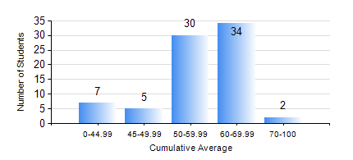
 |  |  | KWAME NKRUMAH UNIVERSITY OF SCIENCE AND TECHNOLOGY, KUMASI Department of Materials Engineering

 |  |  | BSC. METALLURGICAL ENG.

 |  |  | COMPREHENSIVE RECORD OF EXAMINATION RESULTS

 |  |  | RESULTS OF YEAR 3 SECOND SEMESTER, 2023/2024 ACADEMIC YEAR

 | Sn | Course Code |  | Course Name | Credit Hours | Min. Mark | Max. Mark | Avg. Mark | Std. Dev. | No. Passed | No. Trailed | No. (Df) | No. (I) | No. (I*) | No. Tagged(I,I*,Df) | Total
 | 0. |  |  |  |  |  |  | 0 | 0 | 0 | 0 | 0 | 0 | 0 | 0 | 5
 | 1. | METE 352 |  | HYDROMETALLURGICAL APPLICATIONS | 3 | 33 | 79 | 59 | 9.74 | 71 | 2 | 0 | 0 | 0 | 0 | 73
 | 2. | METE 354 |  | PHYSICAL METALLURGY OF NON-FERROUS METALS | 2 | 28 | 84 | 66 | 10.92 | 70 | 2 | 0 | 1 | 0 | 1 | 73
 | 3. | METE 356 |  | THIRD YEAR DESIGN PROJECT | 3 | 60 | 79 | 71 | 4.12 | 73 | 0 | 0 | 0 | 0 | 0 | 73
 | 4. | METE 358 |  | METALLURGICAL CHARACTERIZATION LABORATORY | 2 | 17 | 85 | 67 | 14.14 | 68 | 4 | 0 | 1 | 0 | 1 | 73
 | 5. | METE 362 |  | PHYSICAL METALLURGY OF FERROUS METALS | 2 | 24 | 85 | 52 | 12.36 | 66 | 6 | 0 | 1 | 0 | 1 | 73
 | 6. | MSE 358 |  | NUMERICAL METHODS FOR ENGINEERS | 2 | 21 | 96 | 66 | 18.74 | 69 | 3 | 0 | 1 | 0 | 1 | 73
 | 7. | MSE 362 |  | MATERIALS JOINING PROCESSES | 3 | 27 | 75 | 52 | 9.65 | 65 | 7 | 0 | 1 | 0 | 1 | 73

